Sheet1
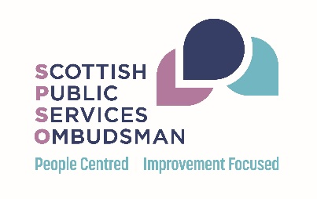
Complaints Received by Subject and Authority 2020-21 Tab 1 - Received By Sector Tab 2 - Scottish College Complaints Received Tab 3 - Health Complaints Received Tab 4 - Joint Health & Social Care Complaints Received Tab 5 - Housing Association Complaints Received Tab 6 - Local Authority Complaints Received Tab 7 - Scottish Government and Devolved Administration Complaints Received Tab 8 - Scottish Univerity Complaints Received Tab 9 - Water Complaints Received Tab 10 - Other Complaints Received

9. Water

9. Water Cases Received

Subject | Bright Water Services Ltd | Business Stream | Castle Water Ltd | Clear Business Water | Everflow Ltd | Scottish Water | Water Plus Select Ltd | Wave | Total
Billing and charging | 1 | 23 | 4 | 35 | 1 | 1 | 8 | 3 | 76
Customer service | 0 | 1 | 0 | 2 | 0 | 4 | 0 | 0 | 7
Environmental Concerns | 0 | 0 | 0 | 0 | 0 | 1 | 0 | 0 | 1
Subject unknown or Out of Jurisdiction | 0 | 1 | 0 | 3 | 0 | 0 | 0 | 1 | 5
Waste Water | 0 | 0 | 0 | 0 | 0 | 10 | 0 | 0 | 10
Water Supply | 0 | 1 | 0 | 0 | 0 | 11 | 0 | 0 | 12
Total | 1 | 26 | 4 | 40 | 1 | 27 | 8 | 4 | 111

